Ranch stocking decision
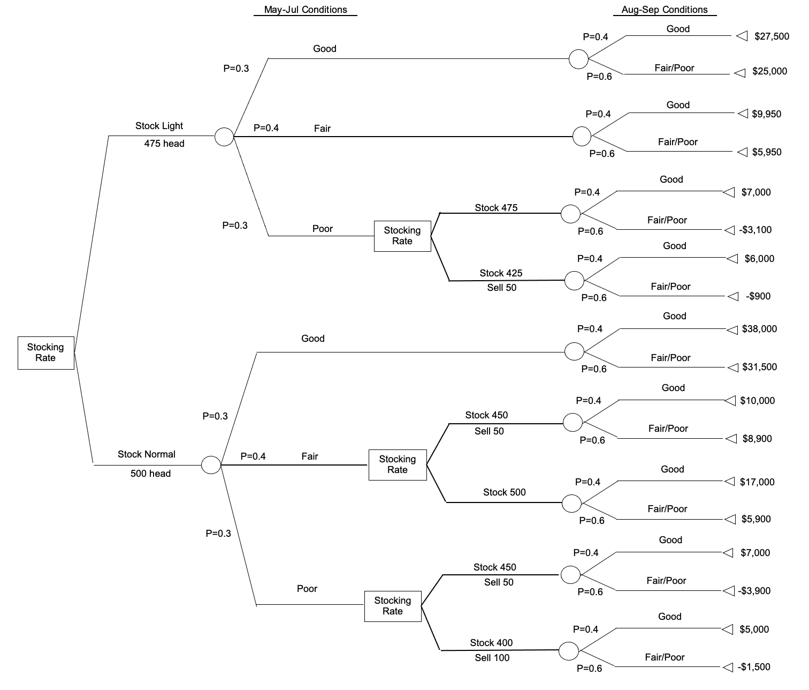
 |  |  |  | eventos | tiempo en el que ocurre |  |  |  | eventos |  | Resultados
Decision | Opcion |  |  | May-Jul |  | Opcion |  |  | Aug-Sep |  | Precio de venta de lote

 |  |  |  |  |  |  |  | $11,000.00 | Good | 0.4 | $27,500.0
 |  |  | $7,800.00 | Good | 0.3 |  | $26,000.00
 |  |  |  |  |  |  |  | $15,000.00 | fair/poor | 0.6 | $25,000.0

 |  |  |  |  |  |  |  | $3,980.00 | Good | 0.4 | $9,950.00
 | stock light (475) | $11,660.00 | $3,020.00 | Fair | 0.4 |  | $7,550.00
 |  |  |  |  |  |  |  | $3,570.00 | fair/poor | 0.6 | $5,950.00

 |  |  |  |  |  |  |  | $2,800.00 | Good | 0.4 | $7,000.00
 |  |  |  |  |  | Keep all | $940.00
 |  |  |  |  |  |  |  | $(1,860.00) | fair/poor | 0.6 | $(3,100.00)
 |  |  | $840.00 | Poor | 0.3
 |  |  |  |  |  |  |  | $2,400.00 | Good | 0.4 | $6,000.00
 |  |  |  |  |  | sell 50 | $1,860.00
Stocking rate |  |  |  |  |  |  |  | $(540.00) | fair/poor | 0.6 | $(900.00)

 |  |  |  |  |  |  |  | $15,200.00 | Good | 0.4 | $38,000.00
 |  |  | $10,230.00 | Good | 0.3 |  | $34,100.00
 |  |  |  |  |  |  |  | $18,900.00 | fair/poor | 0.6 | $31,500.00

 |  |  |  |  |  |  |  | $4,000.00 | Good | 0.4 | $10,000.00
 |  |  |  |  |  | Keep all | $9,340.00
 |  |  |  |  |  |  |  | $5,340.00 | fair/poor | 0.6 | $8,900.00
 | normal stock (500) | $18,570.00 | $7,872.00 | Fair | 0.4
 |  |  |  |  |  |  |  | $6,800.00 | Good | 0.4 | $17,000.00
 |  |  |  |  |  | sell 50 | $10,340.00
 |  |  |  |  |  |  |  | $3,540.00 | fair/poor | 0.6 | $5,900.00

 |  |  |  |  |  |  |  | $2,800.00 | Good | 0.4 | $7,000.00
 |  |  |  |  |  | Keep all | $460.00
 |  |  |  |  |  |  |  | $(2,340.00) | fair/poor | 0.6 | $(3,900.00)
 |  |  | $468.00 | Poor | 0.3
 |  |  |  |  |  |  |  | $2,000.00 | Good | 0.4 | $5,000.00
 |  |  |  |  |  | sell 100 | $1,100.00
 |  |  |  |  |  |  |  | $(900.00) | fair/poor | 0.6 | $(1,500.00)

corn farmer decision
Decision |  | Opcion |  | eventos

 |  |  |  | short | 0.6 | $774,050.00
 |  |  |  | $5.65
 |  | Cash market
 |  | 137000
 |  |  |  | Normal | 0.4 | $632,940.00
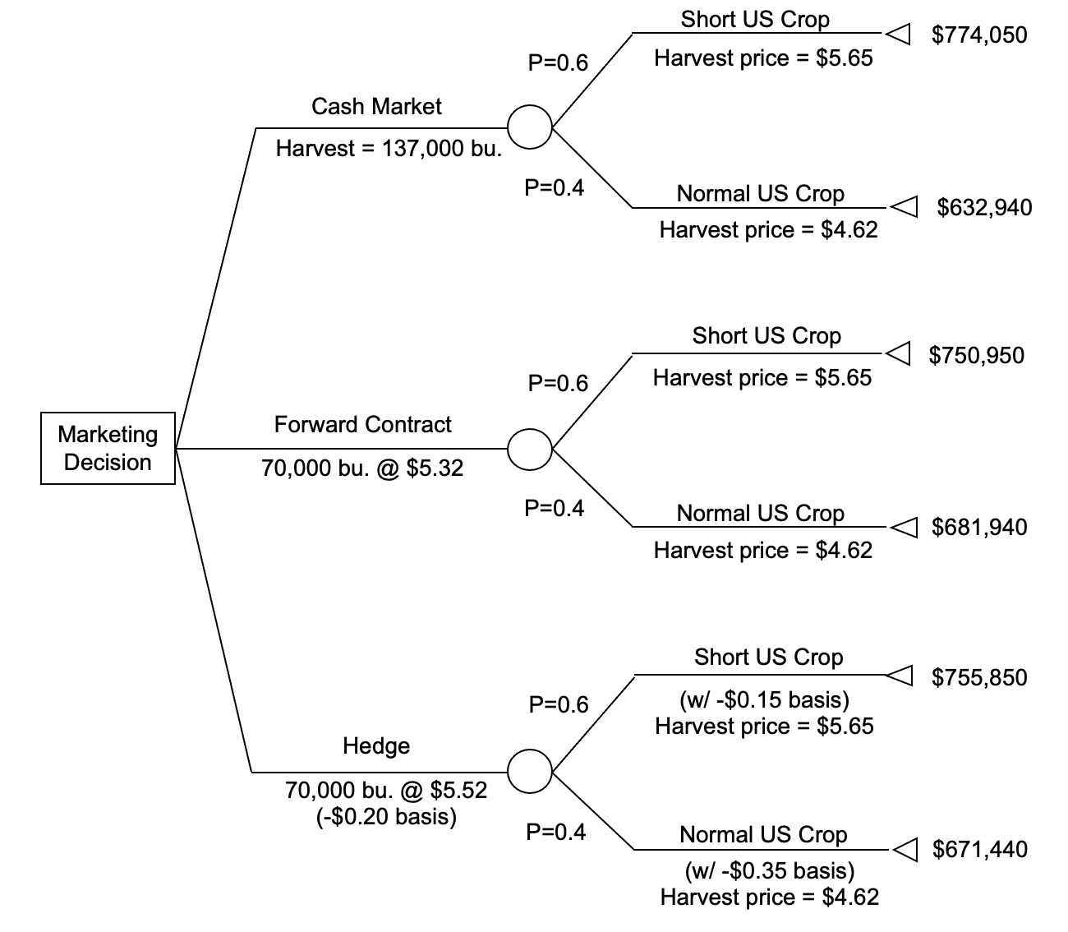
 |  |  |  | $4.62

 |  |  |  | short | 0.6 | $750,950.00
 |  |  |  | $5.65
Marketing decision |  | forward contract
 |  | 67000@market
 |  | 70000@5.32 |  | Normal | 0.4 | $681,940.00
 |  |  |  | $4.62

 |  |  |  | short | 0.6 | $754,900.00
 |  |  |  | $5.65
 |  | Hedge
 |  | 70000@5.52
 |  | $ -0.2 basis |  | Normal | 0.4 | $672,490.00
 |  |  |  | $4.62

 |  |  |  |  | Hedges explaned for crops
 |  |  |  |  | https://www.extension.iastate.edu/agdm/crops/html/a2-60.html

 |  | vendo futuro | hedge
 | 70000 | 5.52 | -0.2 | -4900 |  | 386400
 | 67000 | 5.52 | -0.15 | -1340 |  | 369840
 |  |  |  |  |  | 756240
 |  | vendo futuro | hedge
 | 70000 | 5.52 | -0.2 | -77000 |  | 386400
 | 67000 | 5.52 | -0.35 | -83750 |  | 309540
 |  |  |  | -160750 |  | 695940

